Model-Related
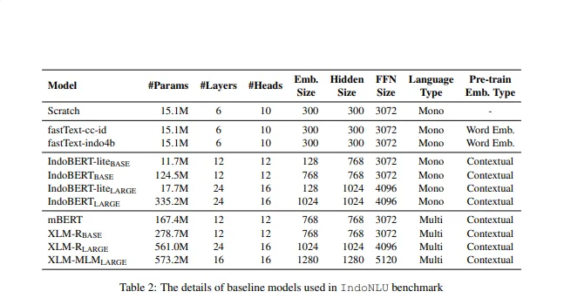
MODEL RELATED HYPERPARAMETER SEARCH

Model | Hidden Layer | Hidden Size | Attention Head | Accuracy | Recall | Precision
IndoBERT-Base | 12 | 768 | 12

IndoBERT-Large | 24 | 1024 | 16

Train-Related
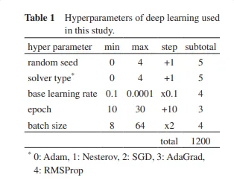
TRAIN RELATED HYPERPARAMETER SEARCH

Run | Epoch | Learning Rate | Batch Size | Accuracy | Recall | Precision
1 | 10 | 0.0001 | 8
2 | 10 | 0.0001 | 16
3 | 10 | 0.0001 | 32
4 | 10 | 0.001 | 8
5 | 10 | 0.001 | 16
6 | 10 | 0.001 | 32
7 | 10 | 0.01 | 8
8 | 10 | 0.01 | 16
9 | 10 | 0.01 | 32
10 | 20 | 0.0001 | 8
11 | 20 | 0.0001 | 16
12 | 20 | 0.0001 | 32
13 | 20 | 0.001 | 8
14 | 20 | 0.001 | 16
15 | 20 | 0.001 | 32
16 | 20 | 0.01 | 8
17 | 20 | 0.01 | 16
18 | 20 | 0.01 | 32
19 | 30 | 0.0001 | 8
20 | 30 | 0.0001 | 16
21 | 30 | 0.0001 | 32
22 | 30 | 0.001 | 8
23 | 30 | 0.001 | 16
24 | 30 | 0.001 | 32
25 | 30 | 0.01 | 8
26 | 30 | 0.01 | 16
27 | 30 | 0.01 | 32

Di tabel ini menggunakan tiga pilihan nilai untuk setiap parameter:

Epoch: 10, 20, 30
Learning Rate: 0.0001, 0.001, 0.01
Batch Size: 8, 16, 32

